National Road + Sub National Ro
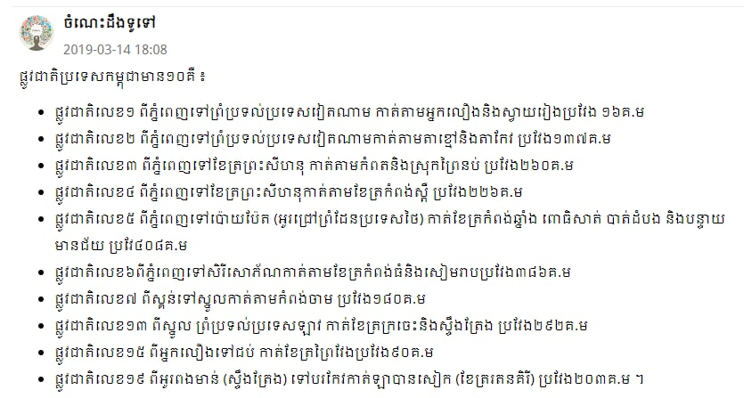
National Road List
National Road | Start Location | Finish Location | Through Location | Distance | Subway
1 | Phnom Penh | Vietnam Border | Neak Loeurng(Kandal) + Svay Rieng | 167 km | 11+112+114 connect with Second and Third Ring Road+369+317+336+331+314B
2 | Kbal Thnal (Phnom Penh) | Vietnam Border | Takmao + Takeo | 120 km | 21+Second and Third Ring Road+217+25+126+113
3 | Phnom Penh | Seyhanouk Ville | Kamport + Prey Nub (Seyhanuouk Ville) | 202 km | Third Ring Road+20A+125+25+31+41+43+33
4 | Phnom Penh | Seyhanouk Ville | Kampong Speu | 230 km | 42+41+46+43+48+800+129
5 | Phnom Penh | Poipet (Thai Border) | Kampong Chnang + Porsat + Battambang + Banteay Meanchey | 407 km | 61+Kob Srov+598+130+61+51+52+53+146+152+155+154+57+57B
6 | Phnom Penh | SereySorphorn Capital | Kampong Thom + Siem Reap | 416 km | Win Win(Boulevard)+61+60+71+62+Domrey Chornkla+64+66+206+67+Ring Road Boulevard+Bo pagoda+Bakhaeng+202+201+68+56
7 | Skun(Kampong Cham) | Thai border | Kampong Cham+Kratie | 460 km | 60+71+11+73+8+72+76+308+78+64
8 | Ksach Kandal(Kandal) | Punheakraek(Tbong Kmuom) | Prey Veng | 125 km | 380+314+315+319
9 | Stoeung Traeng | Preah Vihear | Stoeung Traeng + Preah Vihear | 142 km
10 | Battambang | Koh Kong | Porsat | 197 km

Province->Province
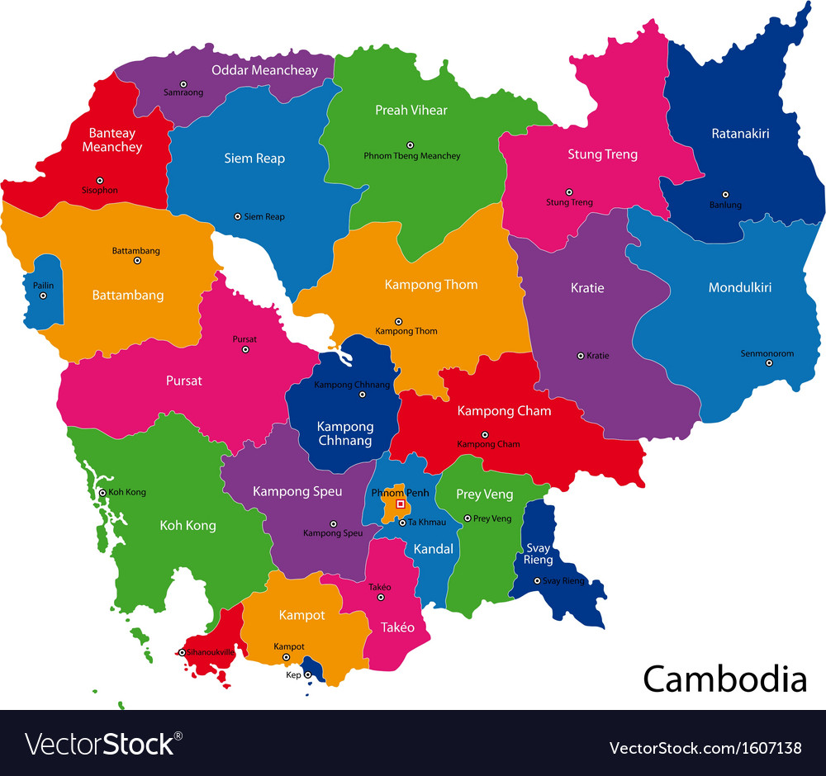
Distance from Province to Provinces
No | Location | Goal | National Road Connection | Distance(km)
01 | Prey Veng(Krong Preyveng) | Svay Rieng(Barveth) | [11,1] , [8,319] | [93.3] , [109]
02 | Prey Veng(Krong Preyveng) | Kandal(Takmao) | [1,11] , [8,6] | [93.7] , [109]
03 | Prey Veng(Krong Preyveng) | Kompong cham(Krong Kampong Cham) | [11] , [6,7,8] | [76] , [163]
04 | Prey Veng(Krong Preyveng) | Tbong Khmum(Krong Sourng) | [11] ,[11,8,73] | [68.2] , [102]
05 | Kandal(Krong Takmao) | Takeo(Doun Keo) | [2] , [2,3] | [65] , [81]
06 | Kandal(Krong Takmao) | Kompong cham(Krong Kampong Cham) | [6,7] , [6,8,11] | [138] , [158]
07 | Kandal(Krong Takmao) | kompong chhnang(Krong Kampong Chhnang | [5,3] , [5] | [130] , [109]
08 | Kandal(Krong Takmao) | Kompong speu(Krong Chbar Morn) | [42,51] , [20A,130] | [62.6] ,[55.7]
09 | Takeo(Krong Doun Kaev) | Kampot(Krong Kampot) | [2,3,22] ,[2,31,33] | [89.6] , [113]
10 | Takeo(Krong Doun Kaev) | Kompong speu(Krong Chbar Morn) | [3,143] , [3,127,130] | [81.8] , [85.7]
11 | Kampot(Krong Kampot) | Kep(Krong Kep) | [33] | [22.6]
12 | Kampot(Krong Kampot) | Preah sihanouk(Krong Preah Seyhanouk) | [3,4] | [96.7]
13 | Kampot(Krong Kampot) | Kompong speu(Krong Chbar Mon) | [141,43,3] , [3,4,41] , [127,41,3] , [130,127,41,143,3] | [126] , [133] , [130] , [150]
14 | Preah sihanouk(Krong Preah Seyhanouk) | Koh Kong(Krong Khemara Phoumin) | [4,48] | [220]
15 | Preah sihanouk(Krong Preah Seyhanouk) | Kompong Speu(Krong Chbar Mon) | [Fast Road,4] , [4] | [164] , [183]
16 | Kompong speu(Krong Chbar Mon) | Koh Kong(Krong Khemara Phoumin) | [4,48] | [248]
17 | Kompong speu(Krong Chbar Mon) | Pursat(Krong Pursat) | [5,51] , [44,146] | [214] , [173]
18 | Kompong speu(Krong Chbar Mon) | Kampong Chhnang(Krong Kampong Chhnang) | [1440,136] , [5,51] , [5,42] | [113] , [111] , [132]
19 | Koh Kong(Krong Khemara Phoumin) | Kampot(Krong Kampot) | [4,48] | [242]
20 | Koh Kong(Krong Khemara Phoumin) | Pursat(Krong Pursat) | [55 along Vealveng] , [55,3] | [229] , [252]
21 | Pursat(Krong Pursat) | Battambang(Krong Battambong) | [5,146] | [116]
22 | Pursat(Krong Pursat) | Siem Reap(Krong Siemreap) | [5,6] | [279]
23 | Pursat(Krong Pursat) | Kampong Thom(Krong Stoeung Sen) | [5,6] , [5,6,61] | [169] . [302]
24 | Battambang(Krong Battambang) | Banteay Meanchey(Serey Sorphorn,Poi Pet) | [5,56] | [89.3]
25 | Battambang(Krong Battambang) | Kompong Thom(Krong Stoeung Sen) | [5,6] , [5] | [322] , [268]
26 | Battambang(Krong Battambang) | Siem Reap(Krong Siemreap) | [5,6] | [163]
27 | Battambang(Krong Battambang) | Pailen | [57] | [84.1]
28 | Siem Reap(Krong Siem Reap) | Banteay Meanchey(Serey Sorphorn,Poi Pet) | [6] | [105]
29 | Siem Reap(Krong Siem Reap) | Oddar Meanchey(Krong Samrong) | [6,68] | [137]
30 | Siem Reap(Krong Siem Reap) | Preah Vihear(Krong Preah Vihear) | [64,6] | [166]
31 | Siem Reap(Krong Siem Reap) | Kampong Thom(Krong Stoeung Sen) | 6 | 147
32 | Kampong Thom(Krong Steoung Sen) | Kampong Cham(Krong Kampong Cham) | [71,6] , [6,60] | [113] , [109]
33 | Kampong Thom(Krong Steoung Sen) | Preah Vihear(Krong Preah Vihear) | [62] , [6,62,64] | [130] , [254]
34 | Kampong Thom(Krong Steoung Sen) | Kratie(Krong Kratie) | [6.71,73] ,[6,7,71,73] | [186] , [242]
35 | Kampong Thom(Krong Steoung Sen) | Stoeung Treng(Krong Stoeung Treng) | [62,64] | [232]
36 | Mondulkiri(Krong Senmonorom) | Rathanak Kiri(Krong Banlung) | [76] , [76,Vietnam border] | [216] , [357]
37 | Mondulkiri(Krong Senmonorom) | Stoeung Treng(Krong Stoeung Treng) | [76,78] , [7,76] | [305] , [342]
38 | Mondulkiri(Krong Senmonorom) | Kratie(Krong Kratie) | [7,76] | [216]
39 | Kampong Cham(Krong Kampong Cham) | Kratie(Krong Kratie) | [73,7] , [7,Mekong River] | [131] , [121]
40 | Kampong Cham(Krong Kampong Cham) | Kampong Chhnang(Krong Kampong Chhnang) | [5,61,6,7] | 151

